GUI CGI SPEC
Xmind
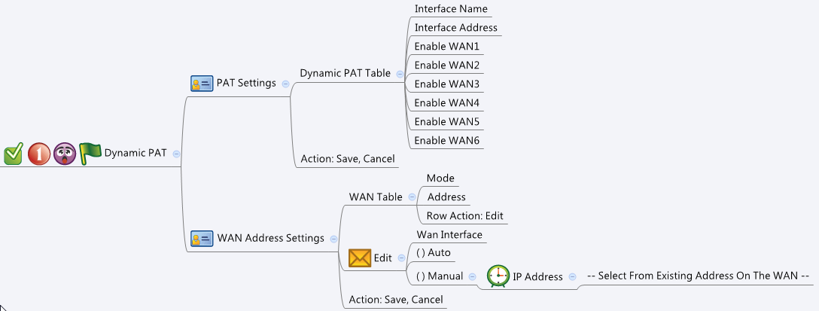

Behavior
# In PAT Settings table, grayout the "Enable WANX" checkbox if the corresponding WAN does not exist
# In WAN address settings, grayout/hide IP address dropdown if the mode is not set to Auto
# "IP Address" in WAN Address Settings is restricted to Host type (1). Please display host type IP address only
# Limitations: Max Dynamic PAT Table Size = 168
[UI Display Name] | [CGI Name] | [JSON Name] | [Description] | Range / Default Value / Units
PAT Settings
N/A | dynamicPat.cgi | guiDynamicPatTNum | int, table size
Interface Name | dynamicPat.cgi | guiDynamicPatT.interfaceName | string, name of an interface | length: 63
Interface Address | dynamicPat.cgi | guiDynamicPatT.address | IPv4 address
Enable WAN1 | dynamicPat.cgi | guiDynamicPatT.enableWan1 | 0: disabled, 1: enabled | Default: 1
Enable WAN2 | dynamicPat.cgi | guiDynamicPatT.enableWan2 | 0: disabled, 1: enabled | Default: 1
Enable WAN3 | dynamicPat.cgi | guiDynamicPatT.enableWan3 | 0: disabled, 1: enabled | Default: 1
Enable WAN4 | dynamicPat.cgi | guiDynamicPatT.enableWan4 | 0: disabled, 1: enabled | Default: 1
Enable WAN5 | dynamicPat.cgi | guiDynamicPatT.enableWan5 | 0: disabled, 1: enabled | Default: 1
Enable WAN6 | dynamicPat.cgi | guiDynamicPatT.enableWan6 | 0: disabled, 1: enabled | Default: 1
N/A | dynamicPat.cgi | guiDynamicPatT.cgiAction | 0: none, 1: add, 2: update, 3: delete

WAN Address Settings
N/A | dynamicPat.cgi | guiWanAddressSettingTNum | int, table size = number of WANs
WAN | dynamicPat.cgi | guiWanAddressSettingT.wanName | string, name of a WAN interface
Mode | dynamicPat.cgi | guiWanAddressSettingT.mode | 0: Auto, 1: Manual | Default: 0
Address | dynamicPat.cgi | guiWanAddressSettingT.addressId | unique numeric ID of an address object. Get information from common_ip_list cgi. Show its name on GUI. NOTE: Show Host addresses only.
N/A | dynamicPat.cgi | guiWanAddressSettingT.cgiAction | 0: none, 1: add, 2: update, 3: delete

Common IP
N/A | common_ip_list.cgi | guiIpTNum | int
N/A | common_ip_list.cgi | guiIpT.gid | int
N/A | common_ip_list.cgi | guiIpT.name | All viewable ASCII code except (whitespace) ‘ ` “ % ?
N/A | common_ip_list.cgi | guiIpT.userDefined | 0/1
N/A | common_ip_list.cgi | guiIpT.type | int: 1: host, 2: network, 3: range
N/A | common_ip_list.cgi | guiIpT.startIp | ipaddr
N/A | common_ip_list.cgi | guiIpT.endIp | ipaddr
N/A | common_ip_list.cgi | guiIpT.netmask | netmask

JSON String
dynamicPat.cgi
## GET & POST methods ##
{
"guiDynamicPatTNum": "2",
"guiWanAddressSettingTNum": "1",
"guiDynamicPatT": [
{
"interfaceName": "VLAN1",
"address": "1.2.3.4",
"enableWan1": "1",
"enableWan2": "1",
"enableWan3": "1",
"enableWan4": "1",
"enableWan5": "1",
"enableWan6": "1",
"cgiAction": "0"
},
{
"interfaceName": "GE4",
"address": "9.8.7.6",
"enableWan1": "1",
"enableWan2": "0",
"enableWan3": "1",
"enableWan4": "0",
"enableWan5": "1",
"enableWan6": "0",
"cgiAction": "0"
}
],
"guiWanAddressSettingT": [
{
"wanName": "WAN1",
"mode": "1",
"addressId": "10",
"cgiAction": "0"
}
]
}

## cgi name ##
common_ip_list.cgi
## GET methods ##
{
"guiIpTNum": 1,
"guiIpT": [
{
"gid": 10,
"name": "WAN1_IP",
"userDefined": 0,
"type": 1,
"startIp": "9.8.7.1",
"endIp": "9.8.7.1",
"netmask": "255.255.255.255"
}
]
}

